Graph Model
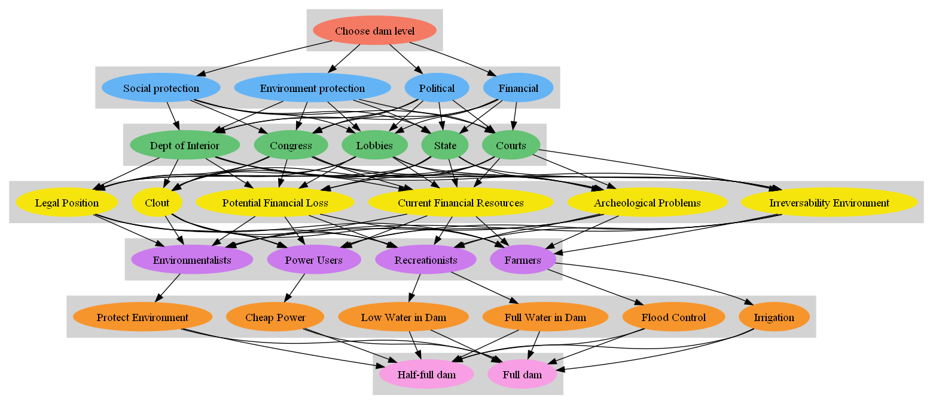

limitingPriorities
 |  | Limiting Prior.
1Goal cluster | Choose dam level | 0
2Decision Criteria | Financial | 0.067
 | Political | 0.042
 | Environment protection | 0.025
 | Social protection | 0.033
3Decision Makers | Congress | 0.04
 | Dept of Interior | 0.042
 | Courts | 0.024
 | State | 0.029
 | Lobbies | 0.032
4Factors | Clout | 0.037
 | Legal Position | 0.026
 | Irreversability Environment | 0.036
 | Archeological Problems | 0.008
 | Current Financial Resources | 0.033
 | Potential Financial Loss | 0.026
5Groups Affected | Farmers | 0.044
 | Recreationists | 0.026
 | Power Users | 0.042
 | Environmentalists | 0.055
6Objectives | Irrigation | 0.022
 | Flood Control | 0.022
 | Full Water in Dam | 0.02
 | Low Water in Dam | 0.007
 | Cheap Power | 0.042
 | Protect Environment | 0.055
7Alternatives | Full dam | 0.105
 | Half-full dam | 0.061

localPriorities
 |  | Local Priorities
1Goal cluster | Choose dam level | 0
2Decision Criteria | Financial | 0.4
 | Political | 0.25
 | Environment protection | 0.15
 | Social protection | 0.2
3Decision Makers | Congress | 0.242
 | Dept of Interior | 0.253
 | Courts | 0.143
 | State | 0.173
 | Lobbies | 0.19
4Factors | Clout | 0.222
 | Legal Position | 0.155
 | Irreversability Environment | 0.217
 | Archeological Problems | 0.05
 | Current Financial Resources | 0.199
 | Potential Financial Loss | 0.157
5Groups Affected | Farmers | 0.261
 | Recreationists | 0.159
 | Power Users | 0.251
 | Environmentalists | 0.329
6Objectives | Irrigation | 0.131
 | Flood Control | 0.131
 | Full Water in Dam | 0.119
 | Low Water in Dam | 0.04
 | Cheap Power | 0.251
 | Protect Environment | 0.329
7Alternatives | Full dam | 0.632
Solution
 | Half-full dam | 0.368

Sens_Political
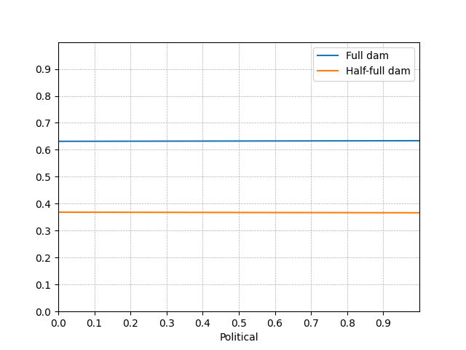

Sens_Environment protection
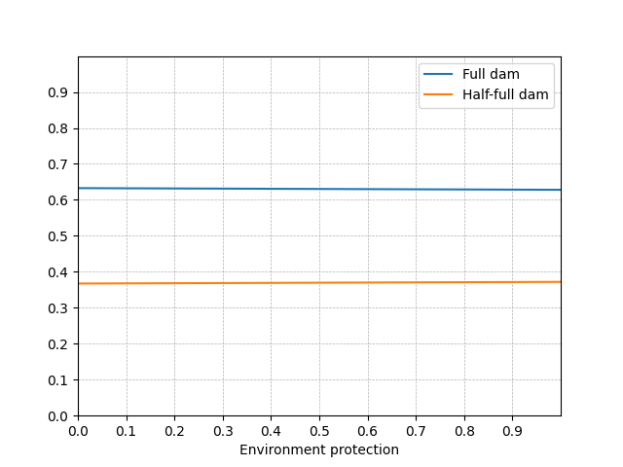

Sens_Social protection
